Print Page 1
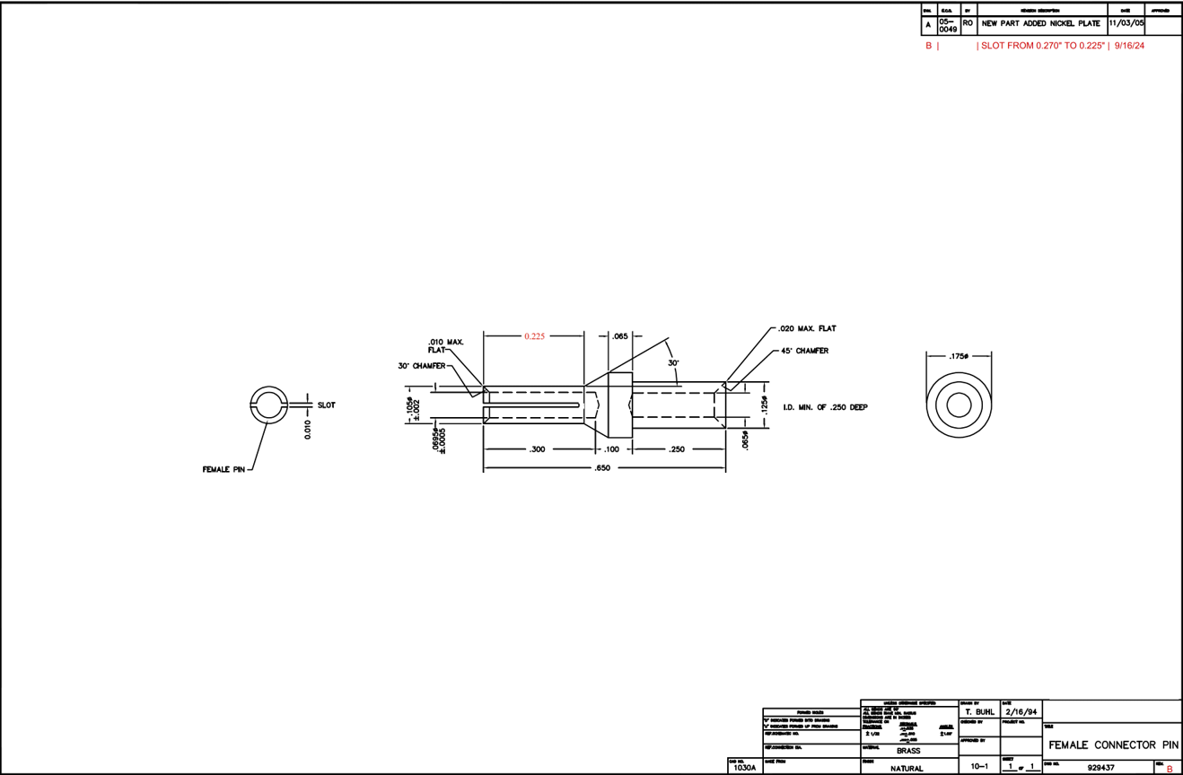

8
9
11
12
10
2

4
6

1
5
7
3
13

Tolerance Table
